Variation Clause & PPI July21
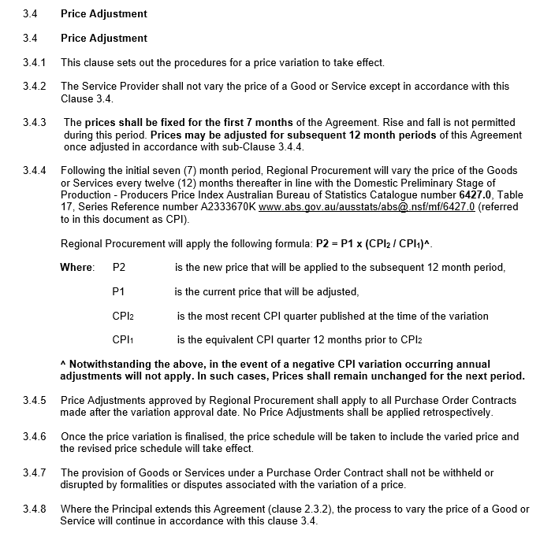
UPDATED: JULY 2021
 | Index Number ; 30 Building construction New South Wales ;
Unit | Index Numbers
Series Type | Original
Data Type | INDEX
Frequency | Quarter
Collection Month | 3
Series Start | Sep-1998
Series End | Mar-2021
No. Obs | 91
Series ID | A2333670K
Mar-2019 | 126.1
Jun-2019 | 127.0
Sep-2019 | 126.8
Dec-2019 | 126.4
Mar-2020 | 126.2
Jun-2020 | 125.8
Sep-2020 | 125.9
Dec-2020 | 125.4
Mar-2021 | 125.3

Index Increase/Decrease | -0.100
"Most Recent Quarter"

NEGATIVE CPI VARIATION = NO "CPI" INCREASE APPLICABLE

Note:
Referred to as CPI however as referenced in variation clause it is Catalogue #6427.0 Table17
https://www.abs.gov.au/statistics/economy/price-indexes-and-inflation/producer-price-indexes-australia/latest-release

Note:
3.4.1(c) Po = Suppliers published price list for bitumenapplicable at the closing date of tenders. (Amendment: add OR at time of last variation period, where provided)

